1. HUDD indicators proposed
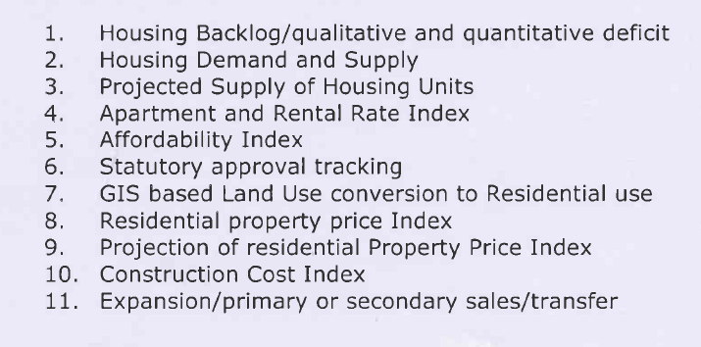
S.No | List of indicators | Type of indicator
1 | Housing Backlog - Quantitative and Qualitative Deficit | Demand
2 | Housing Demand and Supply | Demand and Supply
3 | Projected supply of Housing units | Supply
4 | Apartment and Rental rate index | Price Index
5 | Affordability index | Price Index
6 | Statutory approval tracking | Governance | Tamil Nadu Combined Development and Building Rules 2019 - OBPS
7 | GIS based land use conversion to residential use | Governance | Building Approvals register Town Survey Land Records
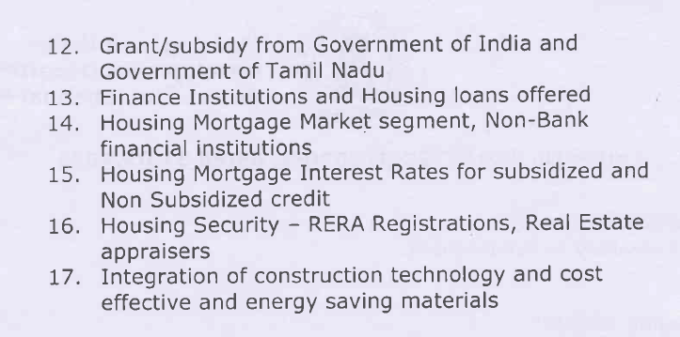
8 | Residential property price index | Price Index | NHB RESIDEX
9 | Projection of residential property price index | Price Index | NHB RESIDEX
10 | Construction cost index | Cost index | Dept of Economics & Statistics
11 | Expansion/primary or secondary sales/transfer | Supply?
12 | Grant/subsidy from GoI and GoTN | Subsidy | Various Schemes like PMAY, JNNURM, RAY
13 | Finance institutions and Housing loans offered | Finance | RBI, NHB
14 | Housing Mortgage Market Segment, Non-banking Financial Institutions | Finance | All banks providing Subsidy to EWS, LIG, MIG-1, MIG-2 beneficiaries under PMAY need to be done through NHB IFC - private sector lending for Affordable housing
15 | Housing Mortgage interest rates for subsidised and non subsidised credit | Finance | RBI
16 | Housing Security - RERA registations and Real Estate appraisers | Governance | TNRERA
17 | Integration and construction technology and cost effective and energy saving materials | Technology and building materials | Available with PMAY schemes and IFC

 | Missing parts/indicators
a | Housing/land rights for women headed households | Gender/inclusion | PMAY-U
b | Basic service provision to existing HHs, esp in informal settlements (slums and non-slum areas) | supply | JNNURM
c | Notification and denotification of slums | Governance? | Revenue & Disaster Management Dept
d | Land titling | Proprty rights | Commissionerate of Revenue Administration

2. Survey Description (1-4)
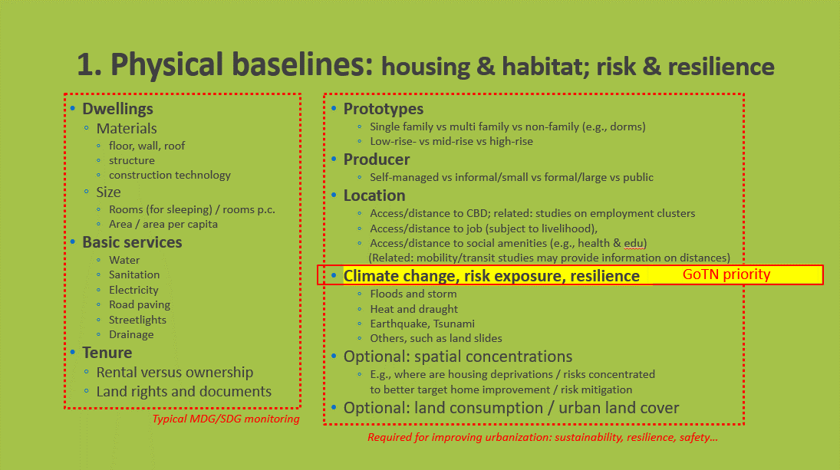
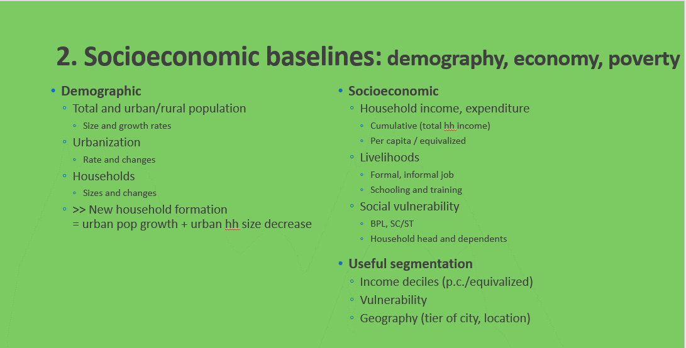
 |  |  |  |  |  |  |  |  |  | Key Relevant Indicators - by sata categories (as in PPTX)
 | Data source | Source | Public Accessible (weblink) | Methodololgy Note (weblink or document link) | Representativeness | Regularity Frequency | Geo-referenced? | Slum Households Identified | Remarks | 1. Physical baseline: housing and habitat, access to service, climate change, risks | 2. Sociodemographic baseline: demography, economy, poverty, etc. | 3a. Housing finance: demand side financial products (e.g. mortgage vs microcredit) | 3b. Housing finance: developer finance | 4. Market supply: prices, values, quantities
1 | Household Consumer Expenditure* | National Sample Survey Office - Ministry of Statistcs and Programme Implementation(MOSPI),Government of India (GOI) | http://microdata.gov.in/nada43/index.php/catalog/CEXP |  | State, Urban/Rural | Not defined | No | No | Small Sample Size < 15,000 for state of Tamil Nadu |  | Household expenditure on consumption of various items in both quantitative and value terms. There are both annual and quinquennial surveys. | Not Available in this Report
2 | Household Debt and Investment* | National Sample Survey Office - Ministry of Statistcs and Programme Implementation(MOSPI),Government of India (GOI) | http://microdata.gov.in/nada43/index.php/catalog/OTH |  | State, Urban/Rural | Not defined | No | No | Small Sample Size < 15,000 for state of Tamil Nadu |  | The stock of assets, incidence of indebtedness, capital formation at household level. | Not Available in this Report
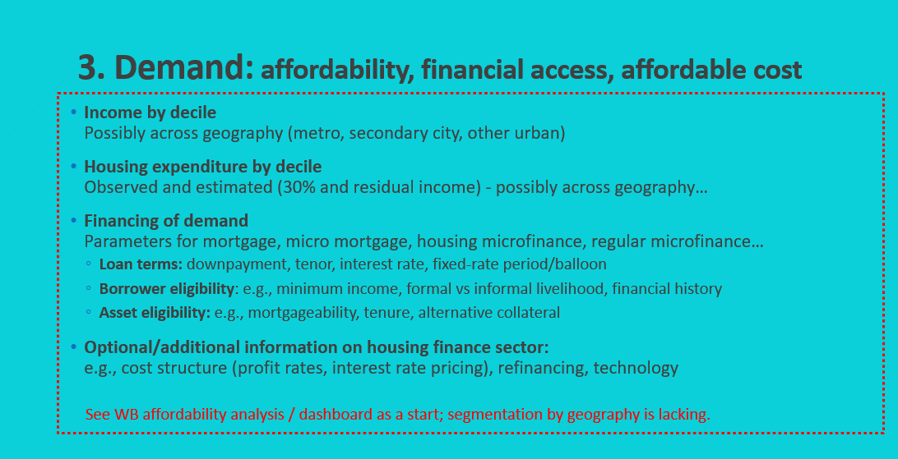
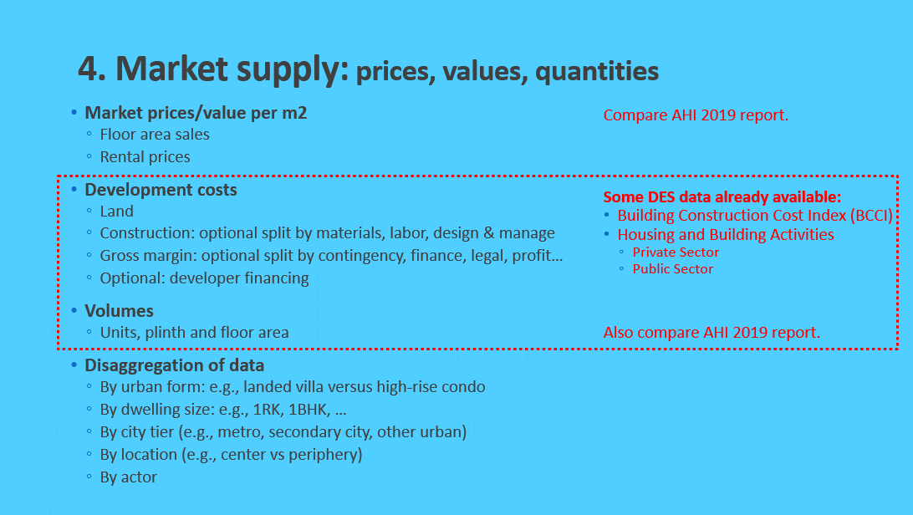
3 | Household Employment and Unemployment* | National Sample Survey Office - Ministry of Statistcs and Programme Implementation(MOSPI),Government of India (GOI) | http://microdata.gov.in/nada43/index.php/catalog/EUE |  | State, Urban/Rural | Not defined | No | No | Small Sample Size < 15,000 for state of Tamil Nadu |  | The employment and unemployment characteristics at national and state level. Indicators could be generated from the survey on labour force participation rate, worker population ratio, unemployment rate, wages of employees, etc. The indicators of the structural aspects of the workforce such as status in employment, industrial distribution and occupational distribution are also derived from the survey. | Not Available in this Report
4 | Household Housing Condition* | National Sample Survey Office - Ministry of Statistcs and Programme Implementation(MOSPI),Government of India (GOI) | http://microdata.gov.in/nada43/index.php/catalog/OTH |  | State, Urban/Rural | Not defined | No | Yes | Small Sample Size < 5,000 for state of Tamil Nadu | Drinking water, sanitation, hygiene and housing condition at household level. | Maybe | Not Available in this Report
5 | Urban Slums Survey* | National Sample Survey Office - Ministry of Statistcs and Programme Implementation(MOSPI),Government of India (GOI) | http://microdata.gov.in/nada43/index.php/catalog/OTH |  | State | Not defined | No | NA | The information provided in this report may not be relevant for the study | Characteristics of slums: housing material, access to service, number of slum, representative at state level. | Maybe | Not Available in this Report
6 | Census | Office of the Registrar General & Census Commissioner, India | https://censusindia.gov.in/census.website/data/census-tables# |  | ULB / District / State | ~10 years | 2011 is not Georeferenced. Possible in Census 2023 | Yes | Detailed in the report | Housing material, census house ownership status, census house condition, census house use; Households access to service; | Yes | Not Available in this Report
7 | India Human Development Survey | the University of Maryland, College Park; the National Council of Applied Economic Research (NCAER) in Delhi; Indiana University and the University of Michigan | https://ihds.umd.edu/ |  | National Level | Not defined | No | Yes | The information provided in this report may not be relevant for the study | village infrasturcture | Consumption and standard of living, Income, Employment, Government Subsidies, Education, Social and cultural capital,
8 | Demographic and Health Surveys | USAID | https://dhsprogram.com/countries/Country-Main.cfm?ctry_id=57 |  | National Level, Urban/Rural | Not defined | No | Yes | The information provided in this report may not be relevant for the study | Nationally-representative household surveys that provide data for indicators in the areas of population, health, and nutrition. | Nationally-representative household surveys that provide data for indicators in the areas of population, health, and nutrition.
 |  | ILO has extensive data, not sure about overlap with the above… | https://www.ilo.org/surveyLib/index.php/catalog/central#_r=1646697367401&collection=&country=&dtype=&from=1975&page=1&ps=&sid=&sk=india&sort_by=rank&sort_order=desc&to=2020&topic=&view=s&vk= | .
10] | MICS | UNICEF/WHO |  |  |  |  | No | No |  | health focus, including housing; has household, person, health, housing files, etc. | health focus, including housing; has household, person, health, housing files, etc.
11 | Credit Information Reports | • The Credit Information Bureau (India) Ltd. (CIBIL) • Equifax Credit Information Services Private Limited, • Experian Credit Information Company of India Private Limited and • CRIF High Mark Credit Information Services Private Limited | Not Public Accessible |  |  |  | No | No | Credit Information Reports are generated by CICs and shared with Credit institutions, Courts and as mandated by RBI. However, it cannot be shared with the Government of TN. |  |  | Credit History of indviduals
12 | HFA Survey Forms - PMAY | Tamil Nadu Urban Habitat Development Board | Not Public Accessible |  | Household / ULB | As per Requirements | Yes | Yes | This information is collected as part of the PMAY Scheme EWS/LIG/MIG Households | Construction material of HHs, Size, Ownership, Access to Transport & Basic Services | houshold Income, Employment Status, Household Size,
13 | Building Approval Database | Chennai Metropolitan Development Authority & Directorate of Town and Country Planning & Urban Local Bodies | Not Public Accessible |  | Household / ULB | Monthly | No | No | Lat, Long details are collected, but not georeferenced | House typology, size |  |  | Building Development Charges, | Location of Dwelling Units,
14 | District Disaster Management Plans (DDMP) | State Disaster Management Authority (SDMA) | https://tnsdma.tn.gov.in/pages/view/Risk-Mapping |  | Ward Level | Not provided | Yes | Yes |  | Details of Vulnerable areas - flood prone, watersheds, earthquake hazards, tsunami areas
15 | Project Status Report | Tamil Nade RERA | https://www.rera.tn.gov.in/cms/reg_projects_tamilnadu.php |  | Project level/Ward | Quarterly | Yes | No | Project details of new constructions are provided | Size, Ownership, Basic Services |  |  |  | Number of DUs, Location of DUs
16 | Construction Price Index | Department of Economics & Statistics | https://www.des.tn.gov.in/ |  | State | Quarterly | No | No | This index consists of three components namely: Material, Labour and other charges and it reveals the trend in the cost of construction materials in selected 16 centres of the State.
17 | TNHB Scheme details | Tamil Nadu Housing Board | Not Public Accessible |  | ULB | Monthly | No | No | Details of TNHB projects, with new inventory and sold stock is provided |  |  |  |  | Number of DUs, Location of Dus, Total DUs sold
18 | Town Survey Land Register | Directorate of Survey & Settlement | https://eservices.tn.gov.in/eservicesnew/land/chittaCheckNewUrban_en.html?lan=en |  | Ward Level | Monthly | Yes | Yes |  | Land Type, Plot number, ownership, utilization
19 | All India House Price Index (HPI) Residential Property Price Index (RPPI) | Reserve Bank of India | https://rbi.org.in/Scripts/BS_PressReleaseDisplay.aspx?prid=51771 |  | ULB | Quarterly | No | No
20 | NHB RESIDEX | National Housing Bank | https://residex.nhbonline.org.in/ |  | City specific | Quarterly | No | No
21 | CREDAI 365 | CREDAI | https://credai365.com/ |  | Project level/Ward | Not defined | Yes | No | The CREDAI 365 Portal is operated by CREDAI Chennai. The portal provides free listing of all residential and commercial projects for the CREDAI Chennai members |  |  |  |  | Type of Property Home configuration Home Size Price
22 | State Level Bankers’ Committee (SLBC) Report | Indian Overseas Bank | Not Public Accessible |  |  |  |  |  |  |  |  | Disbursement of loans Outstanding Loans NPA outstanding
23 | Tenancy Agreements from Registration Department | Tamil Nadu Registrations Department | https://tnreginet.gov.in/portal/index.jsp / Collated data is not publicaly available |  | Ward | Not defined | Yes | Yes |  |  |  |  |  | Details of house rentals
24 | Base Maps for Geo Referencing | TN GIS | https://tngis.tn.gov.in/tngismaps/map.php# |  | Ward | Not defined | Yes | Yes | Uniform GIS platform for all Maps of Tamil Nadu with information on public infrastructure, amenties, hazards, water boides etc.
 |  |  |  |  | *The NSS estimates are representative at the level of regions— collections of several districts grouped together on the basis of broadly similar agro-climatic conditions. The NSS has delineated a total of seventy-eight regions in the country. However, the regions are not administrative units. The lowest administrative level of NSS estimates presentiveness is at state level. |  |  |  |  |  | ALL inputs above in orange are illustrative. Need to be updated.

5 Sector Governance
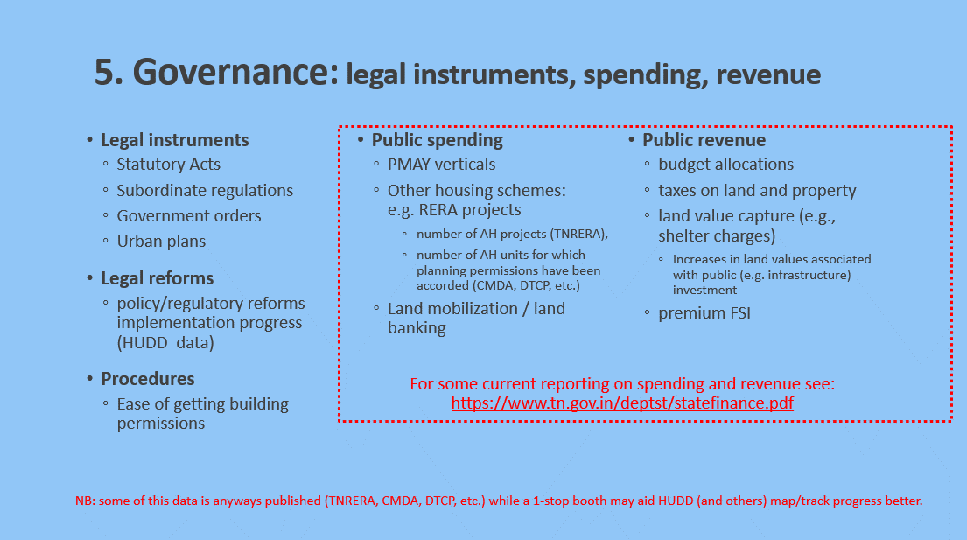
5. Government: legal instruments, housing programs, fiscal revenue

